Cover Page
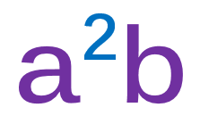

CERTIFIED

TEST, ADJUST, and BALANCE REPORT

 | PROJECT NAME |  | {ProjectCode}

 | PROJECT ADDRESS |  | {Address}

 | MECHANICAL CONTRACTOR |  | Mechanical Con.

 | ENGINEER |  | Mechanical Eng.

 | ARCHITECT |  | Architect Firm

 | NEBB CERTIFIED TAB FIRM: |  | a2b accurate air balancing, llc

 | ADDRESS: |  | PO Box 2050 Seabrook, NH 03874 Windham, NH 03087

 |  | CERTIFICATION NUMBER: |  | 3673

NEBB Cert
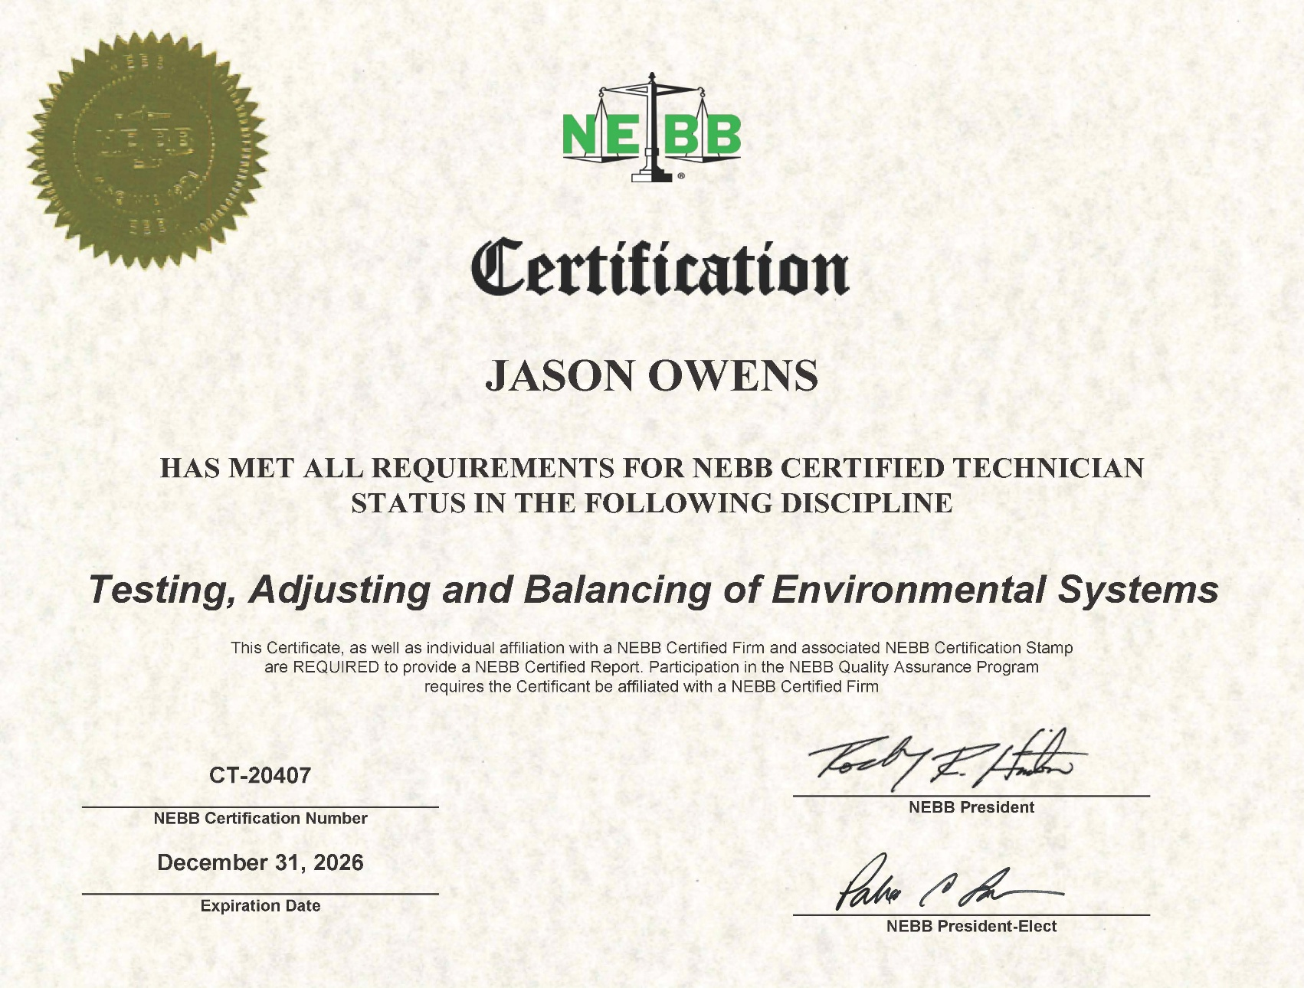
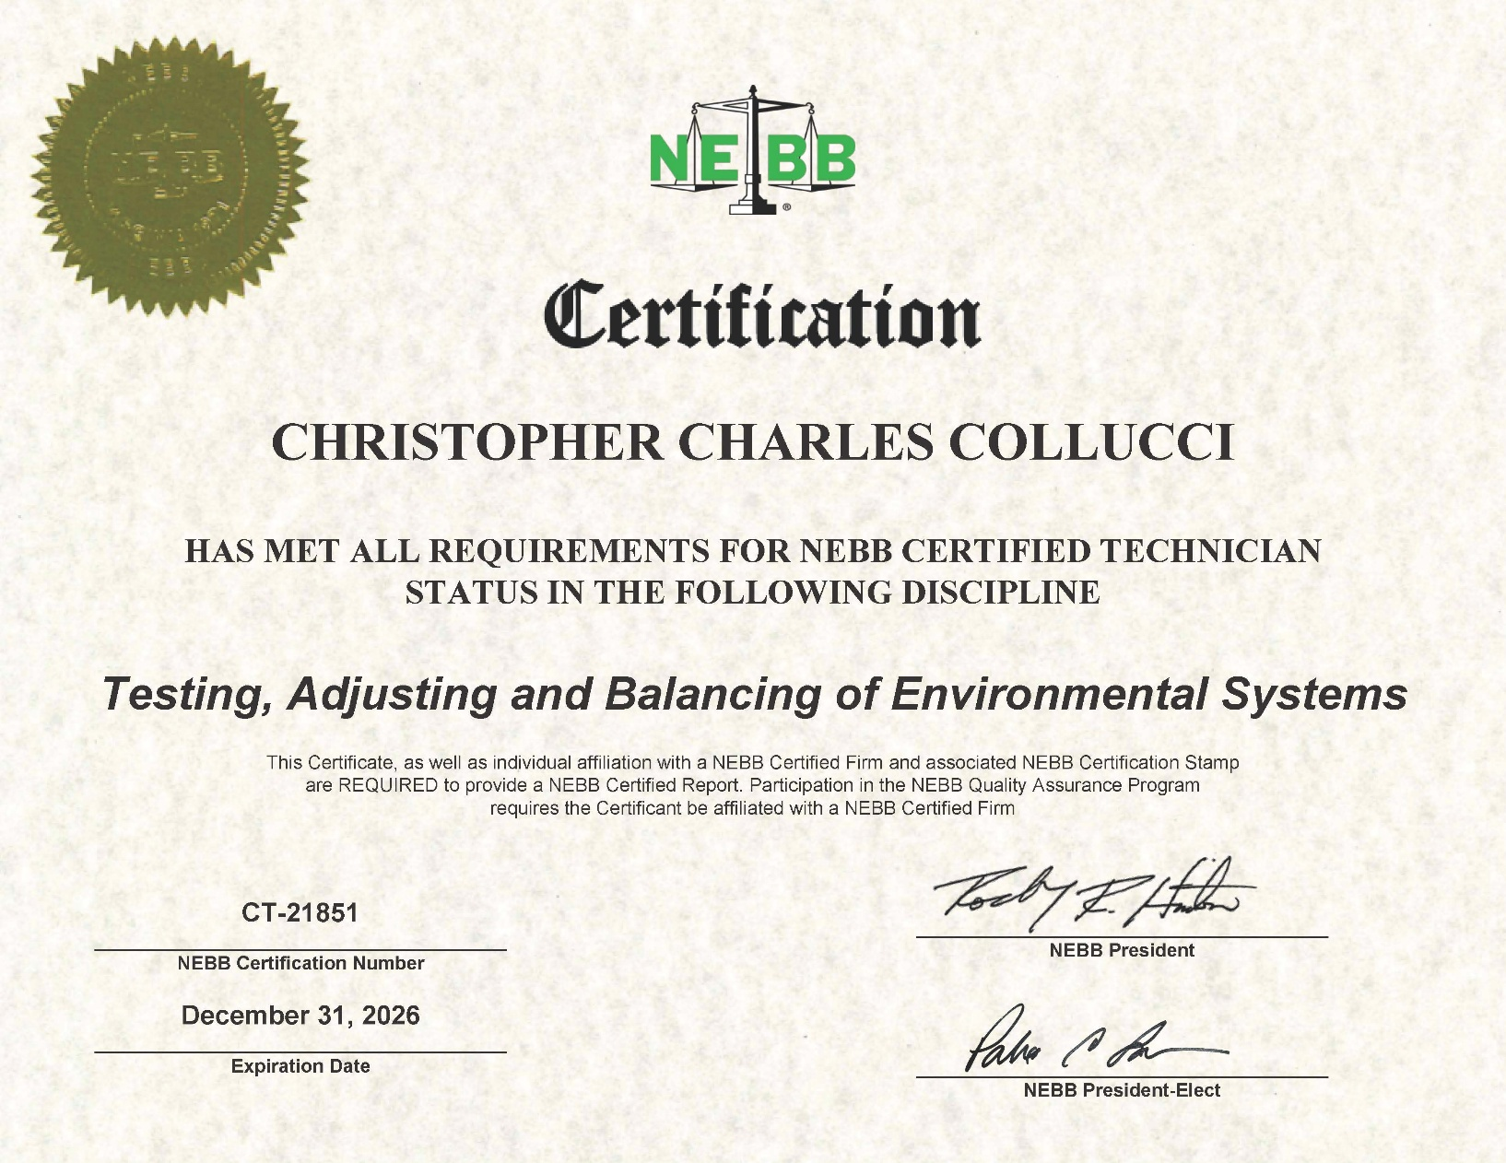
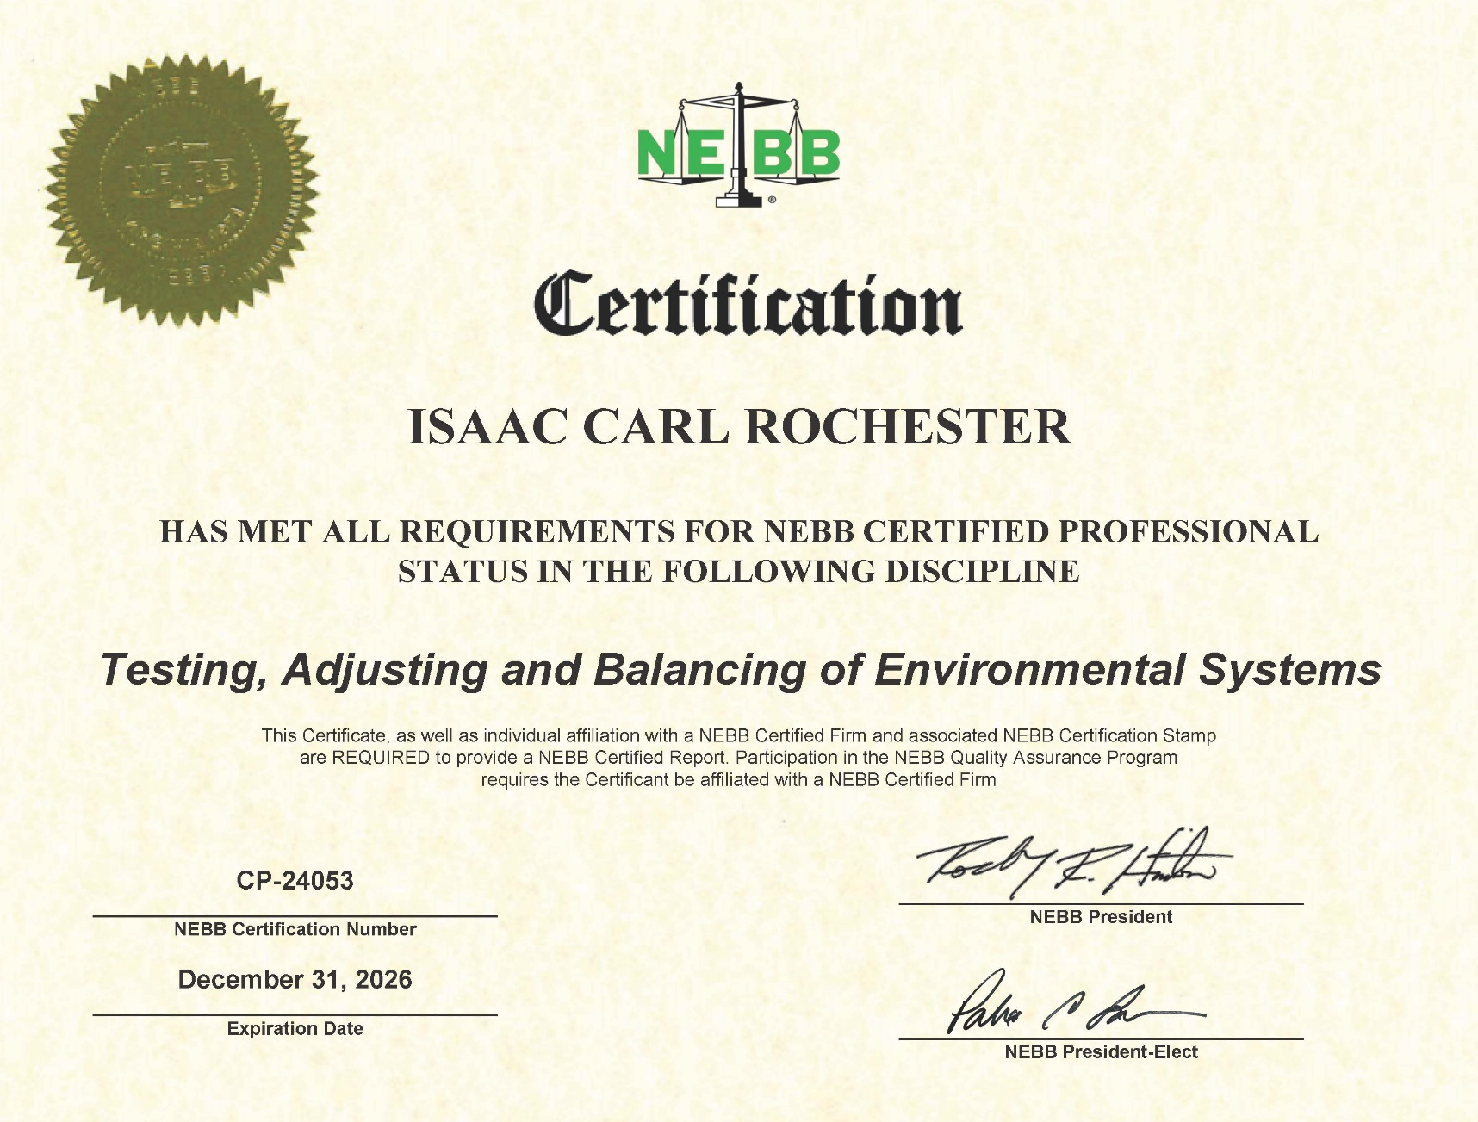

Evergreen Telemetry | model | serial

 | model

 |  |  | 2024-08-19

Evergreen Telemetry | model

NEBB Frm Cert
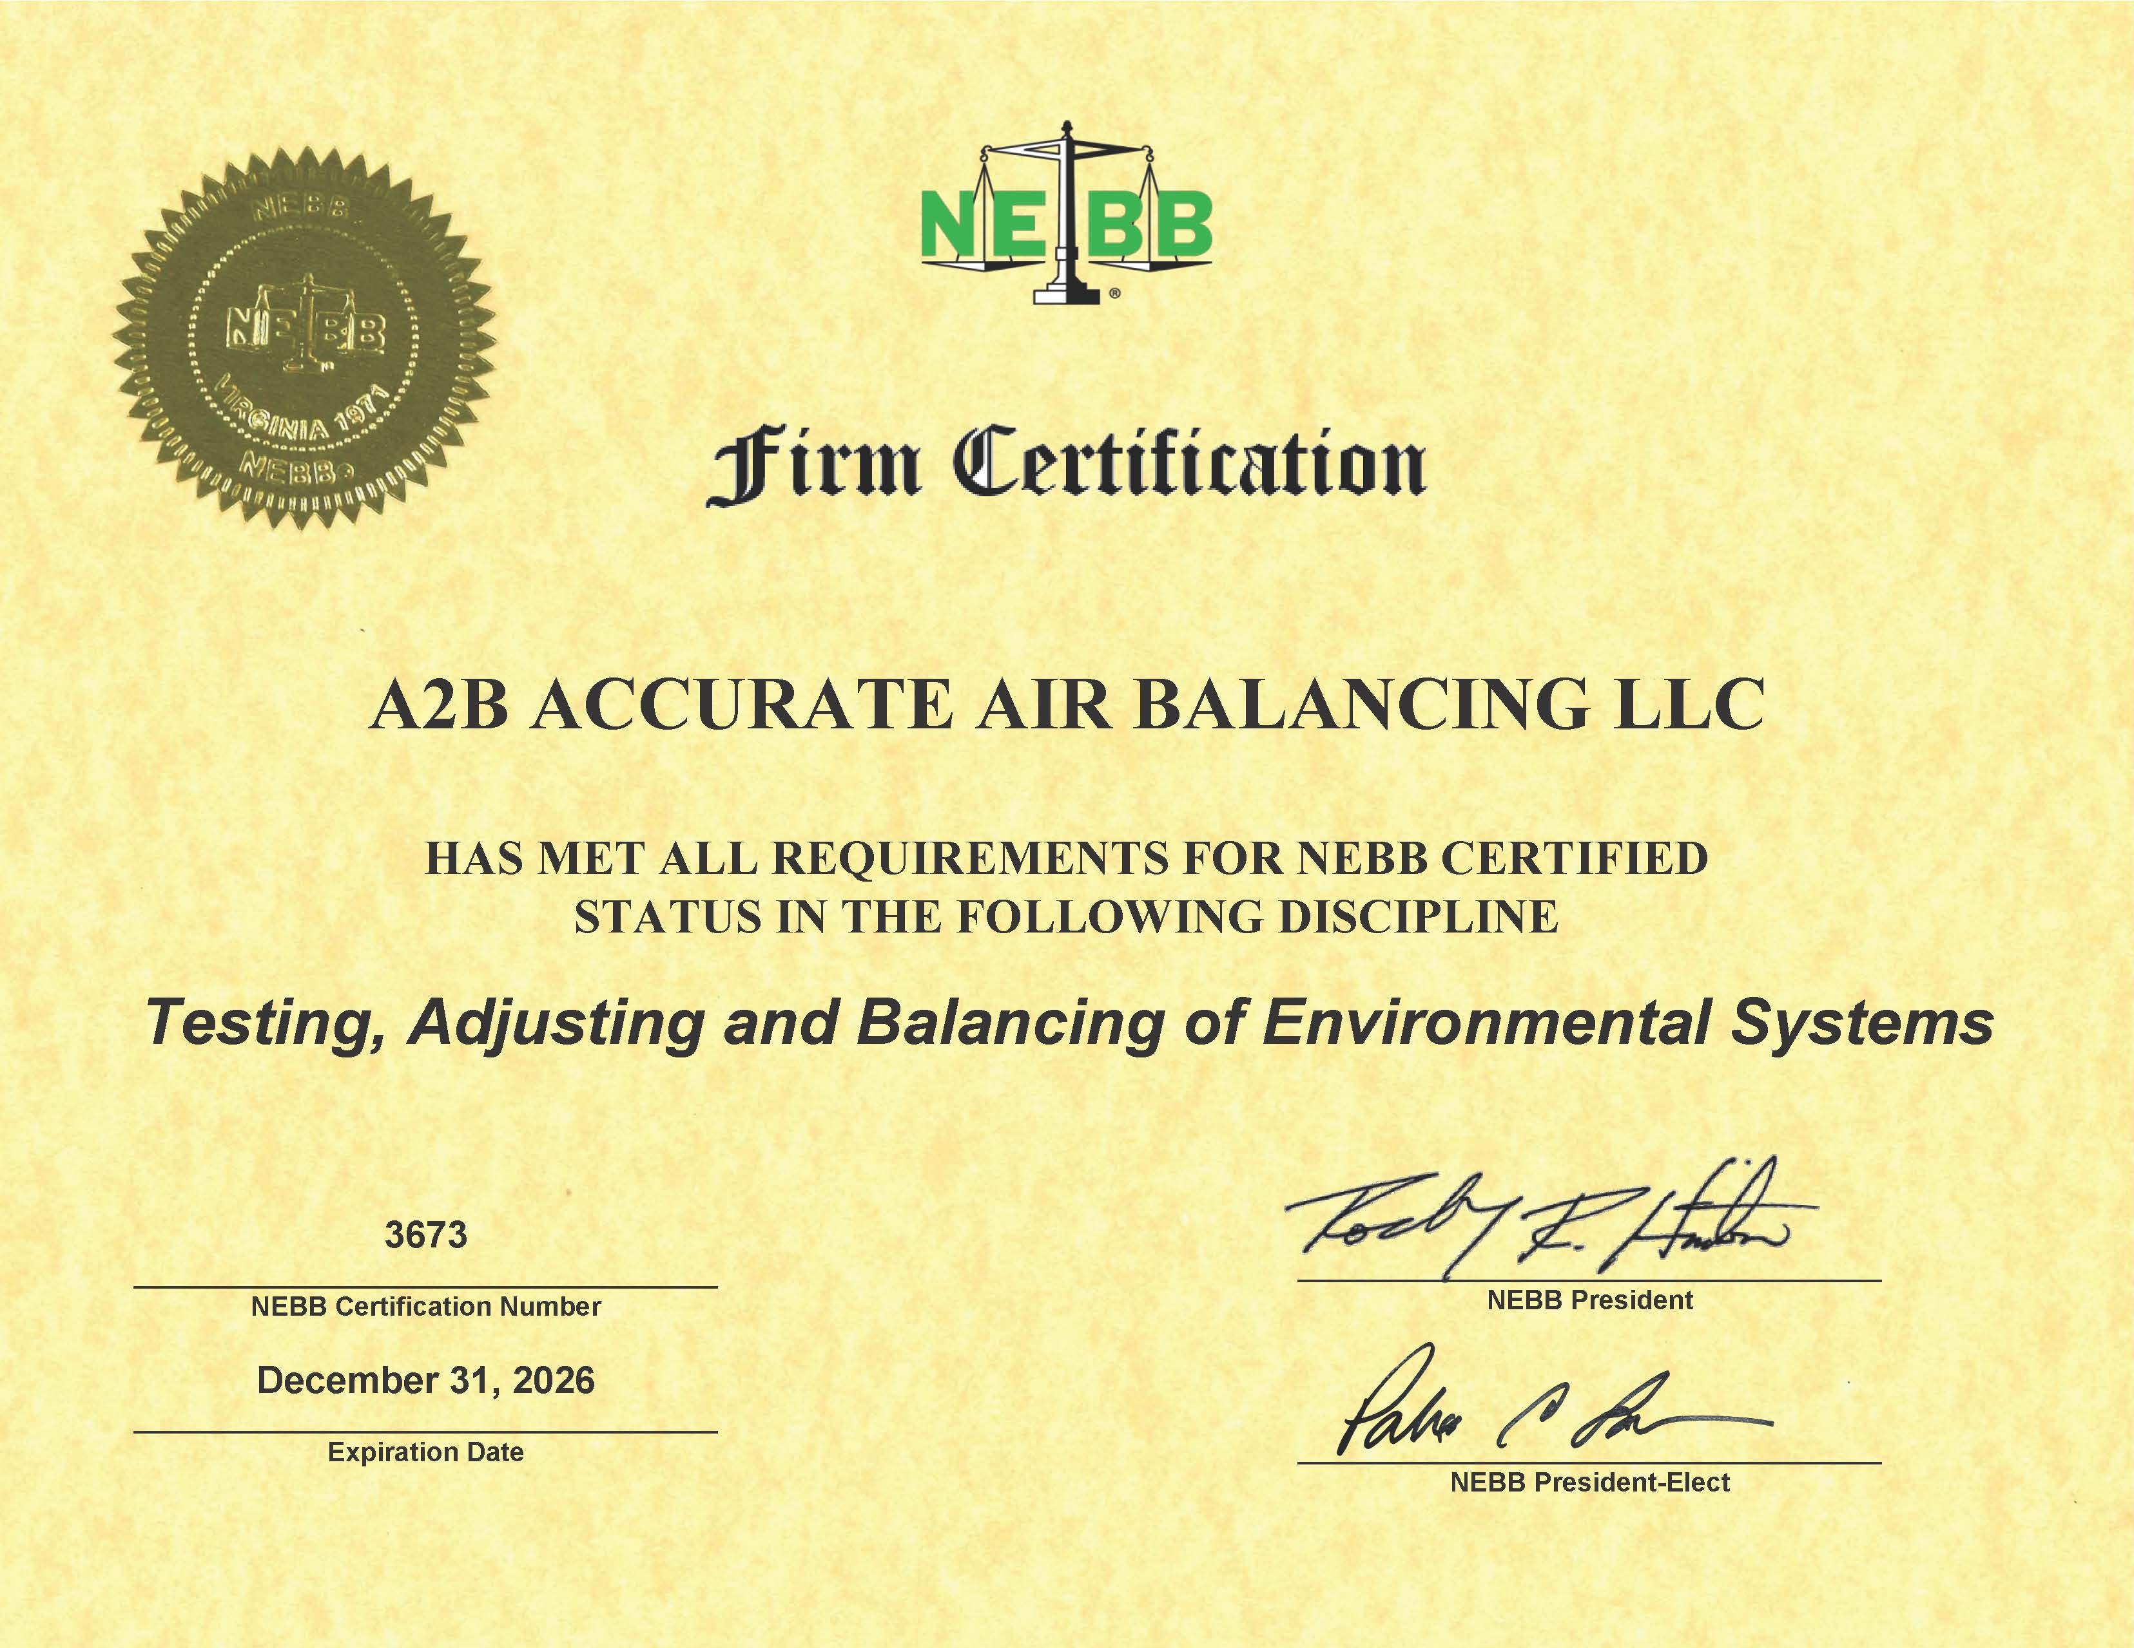

Evergreen Telemetry | model | serial

 | model

 |  |  | 2024-08-19

Evergreen Telemetry | model

